Block Diagram
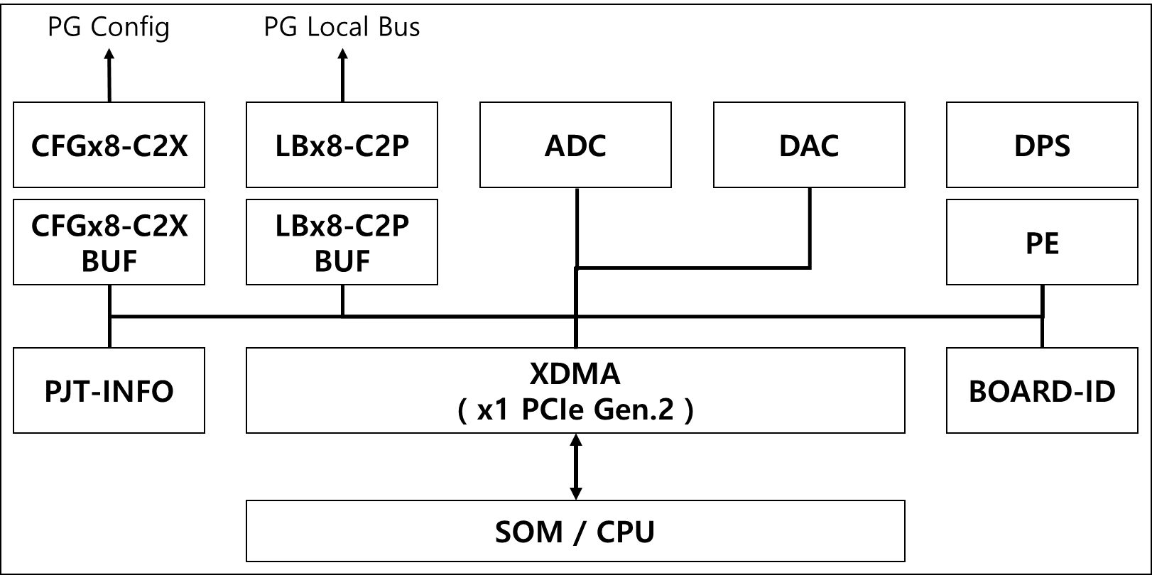

CFGx8-C2X
 |  |  |  |  |  | 3 |  |  |  |  |  |  |  | 2 |  |  |  |  |  |  |  | 1 |  |  |  |  |  |  |  | 0
 | DEVICE | BASE | OFFSET | NAME | RW | 31 | 30 | 29 | 28 | 27 | 26 | 25 | 24 | 23 | 22 | 21 | 20 | 19 | 18 | 17 | 16 | 15 | 14 | 13 | 12 | 11 | 10 | 9 | 8 | 7 | 6 | 5 | 4 | 3 | 2 | 1 | 0
0 | CFGx8-C2X @ CTRL to TGPG | 0000_1 | 000 | NAME | RO | "CFGx8-C2X"
1 |  |  | 004 |  | RO
2 |  |  | 008 |  | RO
3 |  |  | 00C |  | RO
4 |  |  | 010 | VERSION | RO |  |  |  |  |  |  |  |  |  |  |  |  |  |  |  |  | MAJOR ( DECIMAL ) |  |  |  |  |  |  |  | MINOR ( DECIMAL )
5 |  |  | 014 | DATE | RO |  |  |  |  |  |  |  |  | YEAR ( DECIMAL ) |  |  |  |  |  |  |  | MONTH ( DECIMAL ) |  |  |  |  |  |  |  | DATE ( DECIMAL )
6 |  |  | 018 | DUMMY | RW
7 |  |  | 01C | DUMMY | RW
8 |  |  | 020 | CMD | RW | RST |  |  |  |  |  | LAST | START | PG.3 | PG.2 | PG.1 | PG.0 |  |  | TG.1 | TG.0 | BURST.LENGTH[15:0]
9 |  |  | 024
10 |  |  | 028
11 |  |  | 02C
12 |  |  | 030 | STATUS | RO |  |  |  |  |  |  |  | D.ALL | D.PG3 | D.PG2 | D.PG1 | D.PG0 |  |  | D.TG1 | D.TG0 |  |  |  |  |  |  |  |  | INIT.E | D.E | INI.S | D.S | EOS |  |  | BUSY

- Normal burning board에서는 PG_0 만 사용
- PG_3~1, TG_1~0 은 HSBI를 위한 옵션
 |  |  |  |  |  |  | CMD [ 0x0000_1_020 ]
 |  |  |  |  |  |  | RST[31] |  | Active high, reset the Logic IP |  |  |  |  |  |  |  |  | PG.3~0[23:20] |  |  | PG FPGA Select bit |  |  |  |  |  | BL[15:0] |  | Byte size of transfer data. 0 means 1-Byte, max 64KB
 |  |  |  |  |  |  | LAST[25] |  | Active high, transfer the Last Frame of Bitstream |  |  |  |  |  |  |  |  | TG.1~0[17:16] |  |  | TG FPGA Select bit
 |  |  |  |  |  |  | START[24] |  | Active high, transfer the Frame of Bitstream, except of Last Frame

 |  |  |  |  |  |  | STATUS [ 0x0000_1_030 ]
 |  |  |  |  |  |  | D.ALL[24] |  | And of all FPGA done signal |  |  |  |  |  |  | INIT.E[7] |  | Active high, INIT_B Error |  |  |  |  |  |  | EOS[3] |  | 1 indicates the end of operation
 |  |  |  |  |  |  | D.PG[23:20] |  | Each PG FPGA done signal |  |  |  |  |  |  | D.E[6] |  | Active high, Done Error |  |  |  |  |  |  | BUSY[0] |  | 1 indicates that the IP is BUSY
 |  |  |  |  |  |  | D.TG[17:16] |  | Each TG FPGA done signal |  |  |  |  |  |  | INI.S[5] |  | INIT_B Signal of selected FPGA
 |  |  |  |  |  |  |  |  |  |  |  |  |  |  |  | D.S[4] |  | DONE Signal of selected FPGA

LBx8-C2P
 |  |  |  |  |  | 3 |  |  |  |  |  |  |  | 2 |  |  |  |  |  |  |  | 1 |  |  |  |  |  |  |  | 0
 | DEVICE | BASE | OFFSET | NAME | RW | 31 | 30 | 29 | 28 | 27 | 26 | 25 | 24 | 23 | 22 | 21 | 20 | 19 | 18 | 17 | 16 | 15 | 14 | 13 | 12 | 11 | 10 | 9 | 8 | 7 | 6 | 5 | 4 | 3 | 2 | 1 | 0
0 | LBx8_MASTER @ CTRL to PG | 0000_2 | 000 | NAME | RO | "LBx8-C2P"
1 |  |  | 004 |  | RO
2 |  |  | 008 |  | RO
3 |  |  | 00C |  | RO
4 |  |  | 010 | VERSION | RO |  |  |  |  |  |  |  |  |  |  |  |  |  |  |  |  | MAJOR ( DECIMAL ) |  |  |  |  |  |  |  | MINOR ( DECIMAL )
5 |  |  | 014 | DATE | RO |  |  |  |  |  |  |  |  | YEAR ( DECIMAL ) |  |  |  |  |  |  |  | MONTH ( DECIMAL ) |  |  |  |  |  |  |  | DATE ( DECIMAL )
6 |  |  | 018 | DUMMY | RW
7 |  |  | 01C | DUMMY | RW
8 |  |  | 020 | ADDRESS | RW | ADDR[31:0]
9 |  |  | 024 | CMD | RW | RST |  |  | DDR | MSB[27:26] |  | WR | RD |  |  |  |  | PG.3 | PG.2 | PG.1 | PG.0 | BURST.LENGTH[15:0]
10 |  |  | 028
11 |  |  | 02C | LATENCY | RW |  |  |  |  |  |  |  |  |  |  |  |  |  |  |  |  |  |  |  |  |  |  |  |  | READ.LATENCY[7:0]
12 |  |  | 030 | STATUS | RO | PG.3.STATUS |  |  |  |  |  |  |  | PG.2.STATUS |  |  |  |  |  |  |  | PG.1.STATUS |  |  |  |  |  |  |  | WC.E | WD.E | RC.E | RD.E | EOS |  |  | BUSY

- WRITE : multiple FPGA 동시 쓰기 가능
- READ : 하나의 FPGA만 읽기 가능
 |  |  |  |  |  |  | ADDRESS [ 0x0000_2_020 ]
 |  |  |  |  |  |  | ADDR |  | PG_# 32-bit Address, 4GB range

 |  |  |  |  |  |  | CMD [ 0x0000_2_024 ]
 |  |  |  |  |  |  | RST[31] |  | Active high, reset the Logic IP |  |  |  |  |  |  | PG.3~0[19:16] |  |  | PG FPGA Select bit |  |  |  |  |  | BL[15:0] |  | Byte size of transfer data. 0 means 1-Byte, max 63KB
 |  |  |  |  |  |  | DDR.MSB |  | For 16GB SODIMM access
 |  |  |  |  |  |  | WR[25] |  | Active high, do write operation |  |  |  |  |  |  | DDR | MSB[27:26] |  | WR | RD
 |  |  |  |  |  |  | RD[24] |  | Active high, do read operation |  |  |  |  |  |  | 0 | x | x | 1 | 0 | Write PG Register
 |  |  |  |  |  |  |  |  |  |  |  |  |  |  |  | 0 | x | x | 0 | 1 | Read PG Register
 |  |  |  |  |  |  | LATENCY [ 0x0000_2_02C ] |  |  |  |  |  |  |  |  | 1 | 0 | 0 | 1 | 0 | Write SODIMM w/ 0x0_0000_0000 ~ 0x0_FFFF_FFFF, lowest 4GB / 16GB
 |  |  |  |  |  |  | RL[7:0] |  | Set as PG Register Read Latency. |  |  |  |  |  |  | 1 | 0 | 1 | 0 | 1 | Read SODIMM w/ 0x1_0000_0000 ~ 0x1_FFFF_FFFF
 |  |  |  |  |  |  |  |  | Default, RL = 0 |  |  |  |  |  |  | 1 | 1 | 0 | 1 | 0 | Write SODIMM w/ 0x2_0000_0000 ~ 0x2_FFFF_FFFF
 |  |  |  |  |  |  |  |  |  |  |  |  |  |  |  | 1 | 1 | 1 | 0 | 1 | Read SODIMM w/ 0x3_0000_0000 ~ 0x3_FFFF_FFFF, uppest 4GB / 16GB

 |  |  |  |  |  |  | STATUS [ 0x0000_2_030 ]
 |  |  |  |  |  |  | WC.E[7] |  | LB write command error |  |  |  |  |  |  | EOS[3] |  | 1 indicates the end of operation
 |  |  |  |  |  |  | WD.E[6] |  | LB write data CRC error |  |  |  |  |  |  | BUSY[0] |  | 1 indicates that the IP is BUSY
 |  |  |  |  |  |  | RC.E[5] |  | LB read command error
 |  |  |  |  |  |  | RD.E[4] |  | LB read data CRC error

LBx8-C2T
 |  |  |  |  |  | 3 |  |  |  |  |  |  |  | 2 |  |  |  |  |  |  |  | 1 |  |  |  |  |  |  |  | 0
 | DEVICE | BASE | OFFSET | NAME | RW | 31 | 30 | 29 | 28 | 27 | 26 | 25 | 24 | 23 | 22 | 21 | 20 | 19 | 18 | 17 | 16 | 15 | 14 | 13 | 12 | 11 | 10 | 9 | 8 | 7 | 6 | 5 | 4 | 3 | 2 | 1 | 0
0 | LBx8_MASTER @ CTRL to TG | 0000_3 | 000 | NAME | RO | "LBx8-C2T"
1 |  |  | 004 |  | RO
2 |  |  | 008 |  | RO
3 |  |  | 00C |  | RO
4 |  |  | 010 | VERSION | RO |  |  |  |  |  |  |  |  |  |  |  |  |  |  |  |  | MAJOR ( DECIMAL ) |  |  |  |  |  |  |  | MINOR ( DECIMAL )
5 |  |  | 014 | DATE | RO |  |  |  |  |  |  |  |  | YEAR ( DECIMAL ) |  |  |  |  |  |  |  | MONTH ( DECIMAL ) |  |  |  |  |  |  |  | DATE ( DECIMAL )
6 |  |  | 018 | DUMMY | RW
7 |  |  | 01C | DUMMY | RW
8 |  |  | 020 | ADDRESS | RW | ADDR[31:0]
9 |  |  | 024 | CMD | RW | RST |  |  |  |  |  | WR | RD |  |  |  |  |  |  | TG.1 | TG.0 | BURST.LENGTH[15:0]
10 |  |  | 028
11 |  |  | 02C | LATENCY | RW |  |  |  |  |  |  |  |  |  |  |  |  |  |  |  |  |  |  |  |  |  |  |  |  | READ.LATENCY[7:0]
12 |  |  | 030 | STATUS | RO |  |  |  |  |  |  |  |  |  |  |  |  |  |  |  |  | TG.1.STATUS |  |  |  |  |  |  |  | WC.E | WD.E | RC.E | RD.E | EOS |  |  | BUSY

- not for Normal Burning, only for HSBI
- WRITE : multiple FPGA 동시 쓰기 가능
- READ : 하나의 FPGA만 읽기 가능
 |  |  |  |  |  |  | ADDRESS [ 0x0000_3_020 ]
 |  |  |  |  |  |  | ADDR |  | TG_# 32-bit Address, 4GB range

 |  |  |  |  |  |  | CMD [ 0x0000_3_024 ]
 |  |  |  |  |  |  | RST[31] |  | Active high, reset the Logic IP |  |  |  |  |  |  | TG.1~0[17:16] |  |  | TG FPGA Select bit |  |  |  |  |  | BL[15:0] |  | Byte size of transfer data. 0 means 1-Byte, max 64KB
 |  |  |  |  |  |  | WR[25] |  | Active high, do write operation
 |  |  |  |  |  |  | RD[24] |  | Active high, do read operation

 |  |  |  |  |  |  | LATENCY [ 0x0000_3_02C ]
 |  |  |  |  |  |  | RL[7:0] |  | Set as PG Register Read Latency.
 |  |  |  |  |  |  |  |  | Default, RL = 0

 |  |  |  |  |  |  | STATUS [ 0x0000_3_030 ]
 |  |  |  |  |  |  | WC.E[7] |  | LB write command error |  |  |  |  |  |  | EOS[3] |  | 1 indicates the end of operation
 |  |  |  |  |  |  | WD.E[6] |  | LB write data CRC error |  |  |  |  |  |  | BUSY[0] |  | 1 indicates that the IP is BUSY
 |  |  |  |  |  |  | RC.E[5] |  | LB read command error
 |  |  |  |  |  |  | RD.E[4] |  | LB read data CRC error

DPS-I2C
 | DEVICE | BASE | OFFSET | NAME | RW | 31 | 30 | 29 | 28 | 27 | 26 | 25 | 24 | 23 | 22 | 21 | 20 | 19 | 18 | 17 | 16 | 15 | 14 | 13 | 12 | 11 | 10 | 9 | 8 | 7 | 6 | 5 | 4 | 3 | 2 | 1 | 0
0 | DPS-I2C @ CTRL | 0000_6 | 000 | NAME | RO | "DPS-I2C"
1 |  |  | 004 |  | RO
2 |  |  | 008 |  | RO
3 |  |  | 00C |  | RO
4 |  |  | 010 | VERSION | RO |  |  |  |  |  |  |  |  |  |  |  |  |  |  |  |  | MAJOR ( DECIMAL ) |  |  |  |  |  |  |  | MINOR ( DECIMAL )
5 |  |  | 014 | DATE | RO |  |  |  |  |  |  |  |  | YEAR ( DECIMAL ) |  |  |  |  |  |  |  | MONTH ( DECIMAL ) |  |  |  |  |  |  |  | DATE ( DECIMAL )
6 |  |  | 018 | DUMMY | RW
7 |  |  | 01C | DUMMY | RW
8 |  |  | 020 | CMD | RW | WR | RD |  |  |  |  |  | SCAN | DPS.No[23:16] |  |  |  |  |  |  |  | BURST.LENGTH[15:8] |  |  |  |  |  |  |  | PMBUS.CMD[7:0]
9 |  |  | 024
10 |  |  | 028 | RUN | RW |  |  |  |  |  |  |  |  |  |  |  |  |  |  |  |  |  |  |  |  |  |  |  |  |  |  |  |  | RUN[3:0]
11 |  |  | 02C | VS3F.EN | RW |  |  |  |  |  |  |  |  |  |  |  |  |  |  |  |  |  |  |  |  |  |  |  |  |  |  |  |  |  |  |  | 3F.EN
12 |  |  | 030 | STATUS | RO |  |  |  |  | ALERT[27:24] |  |  |  |  |  |  |  | FAULT[19:16] |  |  |  |  |  |  |  |  |  |  |  | EOS |  |  |  | ERR |  |  | BUSY
13 |  |  | 034
14 |  |  | 038
15 |  |  | 03C
16 |  |  | 040 | RW.DATA.BUF | RW | RW.DATA.3 |  |  |  |  |  |  |  | RW.DATA.2 |  |  |  |  |  |  |  | RW.DATA.1 |  |  |  |  |  |  |  | RW.DATA.0
17 |  |  | 044 |  | RW | RW.DATA.7 |  |  |  |  |  |  |  | RW.DATA.6 |  |  |  |  |  |  |  | RW.DATA.5 |  |  |  |  |  |  |  | RW.DATA.4

270 |  |  | 438 |  | RW | RW.DATA.251 |  |  |  |  |  |  |  | RW.DATA.250 |  |  |  |  |  |  |  | RW.DATA.249 |  |  |  |  |  |  |  | RW.DATA.248
271 |  |  | 43C |  | RW | RW.DATA.255 |  |  |  |  |  |  |  | RW.DATA.254 |  |  |  |  |  |  |  | RW.DATA.253 |  |  |  |  |  |  |  | RW.DATA.252

- SCAN : scan the I2C slave address
+ CMD : SCAN, LTC.No
+ RESULT :
- RW.DATA.0 : slave address count
- RW.DATA.1 : desired slave address
- RW.DATA.2 ~ : scaned address.0 ~ N
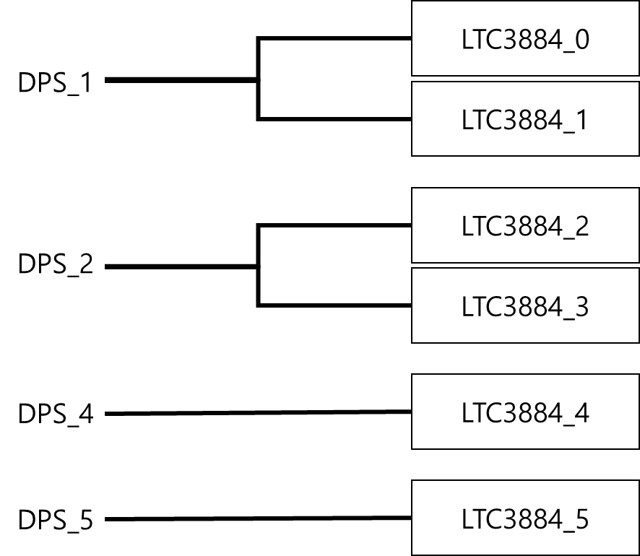
 |  |  |  |  |  |  | CMD [ 0x0000_6_020 ]
 |  |  |  |  |  |  | WR[31] |  | Active high, DPS write operation |  |  |  |  |  |  | BL[15:8] |  | DPS read/write byte count
 |  |  |  |  |  |  | RD[30] |  | Active high, DPS read operation |  |  |  |  |  |  |  |  | 0 means 1-Byte, max 256-Byte
 |  |  |  |  |  |  | DPS.No |  | Target LTC number. ( 0 ~ 5 ) |  |  |  |  |  |  | PMBUS.CMD |  | 8-bit PMBUS command for DPS

 |  |  |  |  |  |  | RUN [ 0x0000_6_028 ]
 |  |  |  |  |  |  | RUN[3:0] |  | Active high, DPS.RUN for 1/2/4/5

 |  |  |  |  |  |  | VS3F.EN [ 0x0000_6_02C ]
 |  |  |  |  |  |  | 3F.EN[0] |  | Active high

- 4-bit ALERT/FAULT : for DPS_5/4/2/1
 |  |  |  |  |  |  | STATUS [ 0x0000_6_030 ]
 |  |  |  |  |  |  | ALERT |  | Active high, for each DPS |  |  |  |  |  |  | EOS[7] |  | 1 indicates the end of operation
 |  |  |  |  |  |  | FAULT |  | Active high, for each DPS |  |  |  |  |  |  | ERR[3] |  | Active high, indicates I2C COM/ALERT/FAULT Error
 |  |  |  |  |  |  |  |  |  |  |  |  |  |  |  | BUSY[0] |  | 1 indicates that the IP is BUSY

 |  |  |  |  |  |  | RW.DATA.BUF [ 0x0000_6_040 ~ 0x0000_6_43F ]
 |  |  |  |  |  |  | RW.DATA_0 ~ 255

PE-PE800
 |  |  |  |  |  | 3 |  |  |  |  |  |  |  | 2 |  |  |  |  |  |  |  | 1 |  |  |  |  |  |  |  | 0
 | DEVICE | BASE | OFFSET | NAME | RW | 31 | 30 | 29 | 28 | 27 | 26 | 25 | 24 | 23 | 22 | 21 | 20 | 19 | 18 | 17 | 16 | 15 | 14 | 13 | 12 | 11 | 10 | 9 | 8 | 7 | 6 | 5 | 4 | 3 | 2 | 1 | 0
0 | PE-PE800 @ CTRL | 0000_7 | 000 | NAME | RO | "PE-PE800"
1 |  |  | 004 |  | RO
2 |  |  | 008 |  | RO
3 |  |  | 00C |  | RO
4 |  |  | 010 | VERSION | RO |  |  |  |  |  |  |  |  |  |  |  |  |  |  |  |  | MAJOR ( DECIMAL ) |  |  |  |  |  |  |  | MINOR ( DECIMAL )
5 |  |  | 014 | DATE | RO |  |  |  |  |  |  |  |  | YEAR ( DECIMAL ) |  |  |  |  |  |  |  | MONTH ( DECIMAL ) |  |  |  |  |  |  |  | DATE ( DECIMAL )
6 |  |  | 018 | DUMMY | RW
7 |  |  | 01C | DUMMY | RW
8 |  |  | 020 | SELECT | RW |  |  |  |  |  |  |  |  |  |  | PE.SELECT[21:0]
9 |  |  | 024 | CMD | RW | SET | WnR | RESET | CH[28:21] |  |  |  |  |  |  |  | ADDR[20:16] |  |  |  |  | DATA[15:0]
10 |  |  | 028
11 |  |  | 02C | SEN.nCAL | RW |  |  |  |  |  |  |  |  |  |  |  |  |  |  |  |  |  |  |  |  |  |  |  |  |  |  |  |  |  |  | HI | LO
12 |  |  | 030 | STATUS | RO | EOS | WnR | RESET | CH[28:21] |  |  |  |  |  |  |  | ADDR[20:16] |  |  |  |  | DATA[15:0]
13 |  |  | 034 | ALARM | RO |  |  |  |  |  |  |  |  |  |  | PE.ALARM[21:0]

- WRITE : multiple PE chip 동시 쓰기 가능
- READ : 하나의 PE chip만 읽기 가능
 |  |  |  |  |  | SELECT [ 0x0000_7_020 ]
 |  |  |  |  |  | SELECT |  | Active high, 22EA PE select bit

 |  |  |  |  |  | CMD [ 0x0000_7_024 ]
 |  |  |  |  |  | SET[31] |  | Actvie high, do PE RW operation |  |  |  |  |  |  | CH[28:21] |  | 8-bit channel select
 |  |  |  |  |  | WnR[30] |  | 0 for PE Read, 1 for PE Write |  |  |  |  |  |  | ADR[20:16] |  | 5-bit address
 |  |  |  |  |  | RESET[29] |  | Active high, reset the PE800 IC |  |  |  |  |  |  | DATA[15:0] |  | 16-bit PE write data

 |  |  |  |  |  | SEN.nCAL [ 0x0000_7_02C ]
 |  |  |  |  |  | HI |  | Active high
 |  |  |  |  |  | LO |  | Active high

 |  |  |  |  |  | STATUS [ 0x0000_7_030 ]
 |  |  |  |  |  | EOS[31] |  | 1 indicates the end of operation |  |  |  |  |  |  | REST |  | Same w/ CMD[30:16]
 |  |  |  |  |  |  |  |  |  |  |  |  |  |  | DATA[15:0] |  | 16-bit PE read data

 |  |  |  |  |  | ALARM [ 0x0000_7_034 ]
 |  |  |  |  |  | ALARM |  | Active high, 0~3 / 4~7 / 8~10 / 11~14 / 15~18 / 19~21 are group

